icon
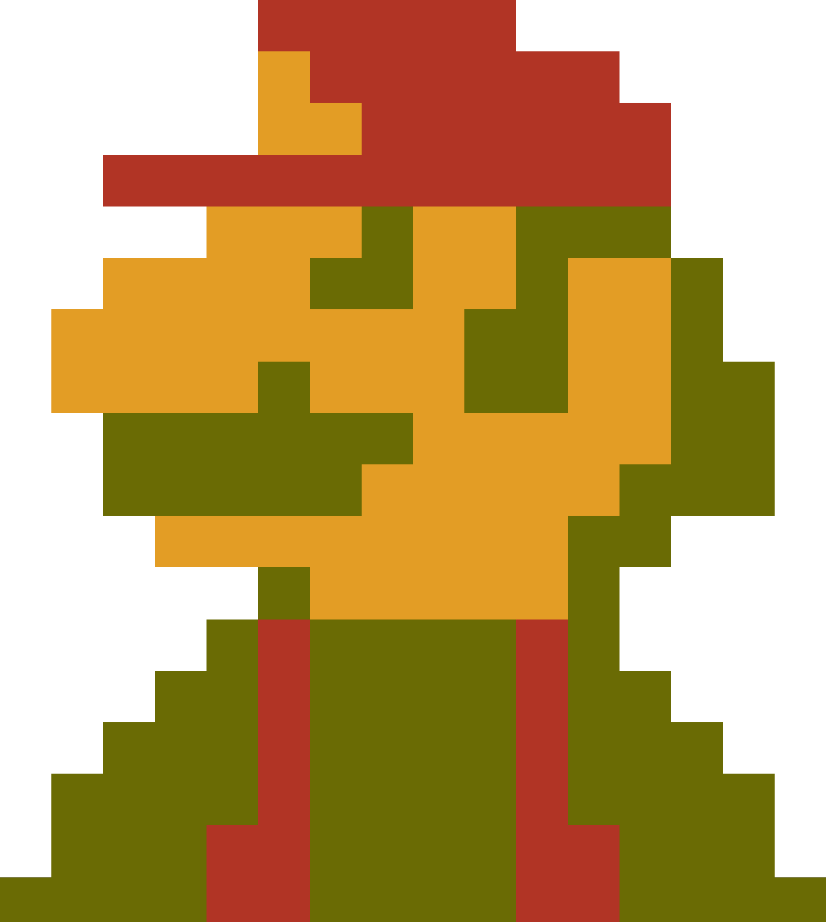

B i t t s

(unofficial)

